1. Title Page
Grocery Basket Analysis

Project Name: Instacart Grocery Basket Analysis
Date: 01/07/2025
Analyst Name: Gemma Hearne

Contents:
Population Flow
Consistency checks
Wrangling steps
Column derivations
Visualizations
Recommendations

Data Sources: "The Instacart Online Grocery Shopping Dataset 2017", Accessed from www.instacart.com/datasets/grocery-shopping-2017 via Kaggle on 24.05.2015
 | "Customers Dataset", created by Career Foundry, Accessed from https://careerfoundry.com/en/course/data-immersion/exercise/visualization-python#task on 28.06.2025

2. Population Flow
Title page

Population flow

Exclusion flag
Condition: max_order < 5
Obervations to be removed: 1,441,523
Final total count of order_products_all: 30,992,966

Orders_products_combined
Orders_products_merged
Orders_products_all

Total: 32,434,489
Total: 32,434,489
Total: 30,992,966

1.) The grey boxes in the first row of the population flow represent the original data sets as they were when you downloaded them. In the Total fields you need to add the count of the rows when you imported the data set into Jupyter.
2.) The second row of boxes (coloured) represents the data sets after you manipulated them, e.g., removed missing values and duplicates. In the Total fields you need to add the count of the rows after conducting these operations. This offers a visual oveview of how the data flows throughout the data consistency checks.
3.) The third row, where also the arrows are coloured, represents the merges you performed between the datasets. In the Total fields you need to add the count of the rows in the merged datasets, so that you end up with the final dataset (in the red box). Keep in mind the final dataset should be without exclusions (based on the exclusion flag).

3. Consistency checks
 |  |  |  | Title page
Consistency checks

Dataset | Missing values | Missing values treatment | Duplicates
orders | day_since_prior_order column was missing 206,209 values | Missing values correspond to customer's first orders so no action was required | 0 duplicates
products | product_name column has 16 missing values | Removed 16 rows | 5 duplicates were removed
orders_products_prior | 0 missing values found | N/A | 0 duplicates
customers | first_name column missing 11,259 values | No further action taken | 0 duplicates

4. Wrangling steps
 |  |  |  | Title page
Wrangling steps

Columns dropped | Columns renamed | Columns' type changed | Comment/Reason
eval_set |  |  | not needed in the analysis
_merge |  |  | merge flag was unnecessary
 | Surnam: last_name |  | to be more uniformed with first_name
 | Gender: gender |  | more uniformed
 | Age: age |  | more uniformed
 | STATE: state |  | more uniformed
 | n_dependants: n_dependents |  | to correct mispelling
 | order_dow : order_day_of_week |  | clearer and uniformed
 | set new headers:
 | department, department_id |  | cleaned department table for joining with products
 | First Name : first_name |  | more uniformed

 |  | order_id | changed to string (object)
 |  | user_id | changed to string (object)

5. Column derivations
 |  |  |  | Title page

Column derivations and aggregations

In this tab you should add tables below that the frequences of flags/label variables that you produced after deriving them. NB: don't do this for continuous variables, only for flags.
Dataset | New column | Column/s it was derived from | Conditions
df_ords | first_order | days_since_prior_order | NaN
df_ords_prods_merge | price_range_loc | prices | If prices <=5, then 'Low-Range Product', If prices > 5 & <= 15, then 'Mid-Range Product, If prices > 15, then 'High-Range Product'
df_ords_prods_merge | busiest_days | orders_day_of_week | If value == 0 or value == 1 then 'Busiest days' If value == 3 or value == 4 then 'Slowest days' , else 'Regularly busy'
df_ords_prods_merge | busiest_period_of_day | order_hour_of_day | If value in [9, 10, 11, 12, 13, 14, 15, 16] then 'Most orders'; if value in [0, 1, 2, 3, 4, 5, 6, 23] then 'Fewest orders'; else 'Average orders'
df_ords_prods_merge | loyalty_flag | max_order | If max_order > 40 then 'Loyal customer'; if max_order <= 40 and > 10 then 'Regular customer'; if max_order <= 10 then 'New customer'
df_ords_prods_merge | spending_flag | avg_price_per_user | If avg_price_per_user < 10 then 'Low spender'; else 'High spender'
df_ords_prods_merge | order_frequency_flag | user_id ; days_since_prior_order = median_days_per_user | If median_days_per_user > 20 then 'Non-frequent customer'; if > 10 then 'Regular customer'; else 'Frequent customer'
df_merged | region | state | All states categorised by regions
df_merged_anon | exclusion_flag | user_id; order_number = total orders | if total orders < 5
df_anon_high_dept | Profile | #department_id, age, n_dependents, income, order_hour_of_day, avg_price_per_user | New Parent: customers who made purchases in dept 18 - Baby Senior: Customer 60 or over who hasn't been already assigned a profile
 |  |  | Young Parent: customers aged 35 or under with at least 1 dependent. Late Shopper: customers who shop at 8pm or later who has not already been assigned a profile
 |  |  | Affluent Family: Customers with an income over 100,000 with 2 or more dependents Budget Conscious: Customer who has income below 50,000 and has average price per user under $5 and not assigned a profile
 |  |  | Young Budget Single: customers aged under 30, no dependents with an income less than 40,000 Other: A catch all for all remaining customers
 |  |  | Young Single Adult: customers under 30 with no dependents and an income over 40,000

6. Visualizations
 |  |  |  |  | Title page

Visualisations

In this tab you should include all the visualtions from Exercises 4.9 and 4.10, alongside the questions from the project brief that they answer. Include any commentary on the relationship between different variables.

Question: | What the busiest days of the week and hours of the
 | day are (i.e., the days and times with the most orders) in order to schedule ads at
 | times when there are fewer orders.

 |  |  | Analysis
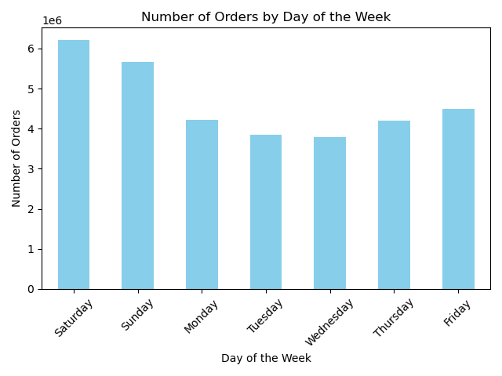 |  |  | Based on the histogram , the highest volume of customer orders occurs between 10:00 AM and 4:00 PM, peaking around 11:00 AM to 1:00 PM. The busiest days are Saturday and Sunday. To avoid competing with peak order times and ensure advertisements are more noticeable, it is recommended to schedule ads outside of this window — such as early morning or late evening on quieter weekdays.

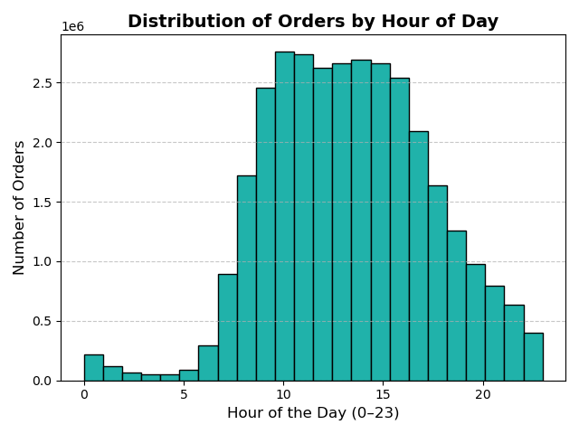

Question: | Are there particular times of day when people spend the most money, and which departments receive the most product orders?

 |  |  | Analysis
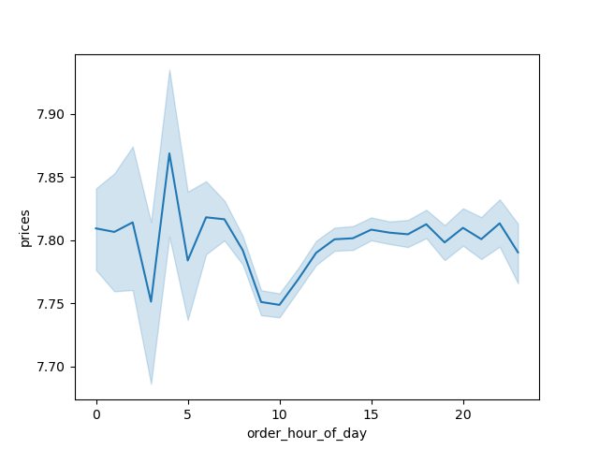 |  |  | Spending Patterns: Despite the highest number of orders occurring between 10:00 AM and 4:00 PM, the average price per order remains stable throughout the day, showing only minor fluctuations. This suggests customer spending is consistent regardless of time, meaning promotions may not need to target specific hours for higher-value orders. While there are brief price spikes during the early morning hours (around 3–5 AM), these are likely due to low order volumes and are not statistically reliable. The most stable and representative data occurs between 8:00 AM and 10:00 PM.

 |  |  | Analysis
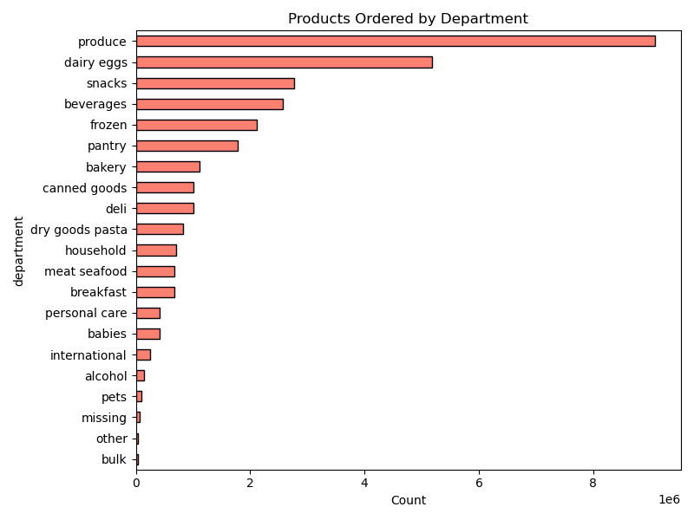 |  |  | Department Demand: The data shows that customer demand is highest in essential, frequently replenished categories such as produce, dairy & eggs, and snacks. This highlights the importance of maintaining strong inventory and promotional strategies in these departments. Lower-volume departments like alcohol and international foods may benefit from targeted marketing to increase visibility.

 |  |  | Analysis

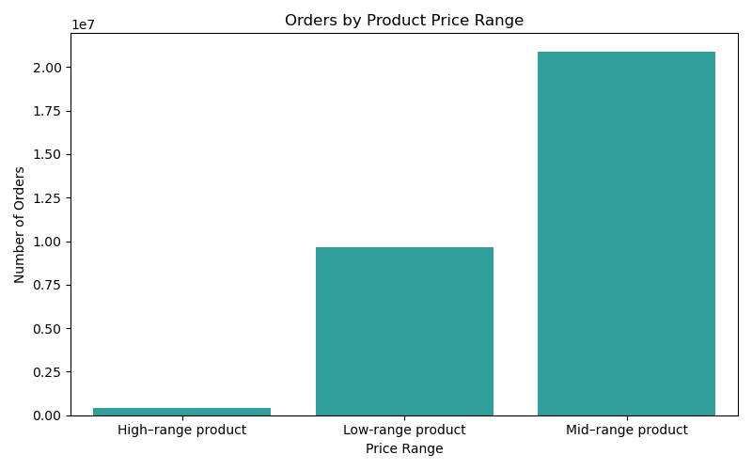 |  |  | Price Range: Most orders are for mid-range and low-range products, indicating that customers are price-conscious and gravitate toward affordable options. High-range items account for a small fraction of orders, suggesting they are less of a priority for the typical customer.

Question: | What’s the distribution among users in regards to their brand loyalty (i.e., how
 | often do they return to Instacart)?

 |  |  | Analysis
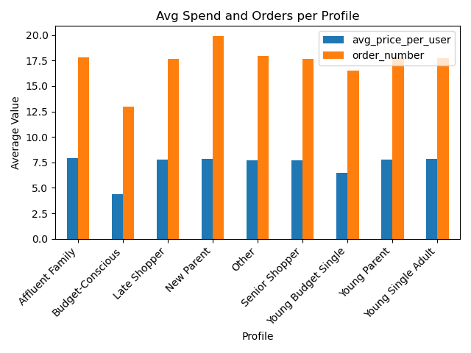 |  |  | The bar chart shows average spend per user and average number of orders across different customer profiles. Affluent Families and New Parents placed the most orders on average, suggesting strong brand engagement. Budget-Conscious customers, while ordering less frequently and spending the least, still show consistent presence. Interestingly, Young Parents and Young Single Adults have similar spend levels, but vary slightly in order volume. These insights can help tailor marketing strategies by targeting high-frequency profiles with loyalty programs and re-engagement campaigns for lower-activity groups.

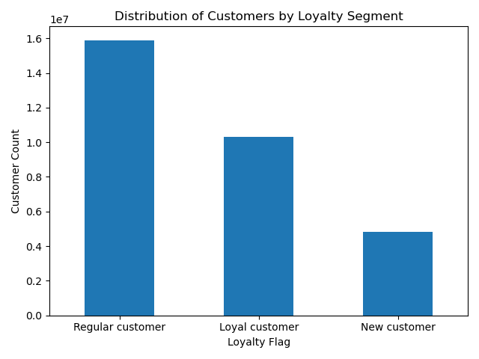 |  |  | This chart shows the distribution of customers by loyalty flag. Regular customers form the largest group, followed by loyal customers, with new customers representing the smallest segment. This indicates a healthy repeat-customer base. When combined with profile-based order analysis, we see that many high-frequency profiles (e.g., New Parents, Affluent Families) are contributing to these loyal segments. Instacart may benefit from focusing on re-engagement strategies for regulars and conversion strategies for new users.

Question: | Are there differences in ordering habits based on a customer’s loyalty status?

 |  |  |  | 0

 |  |  | Analysis
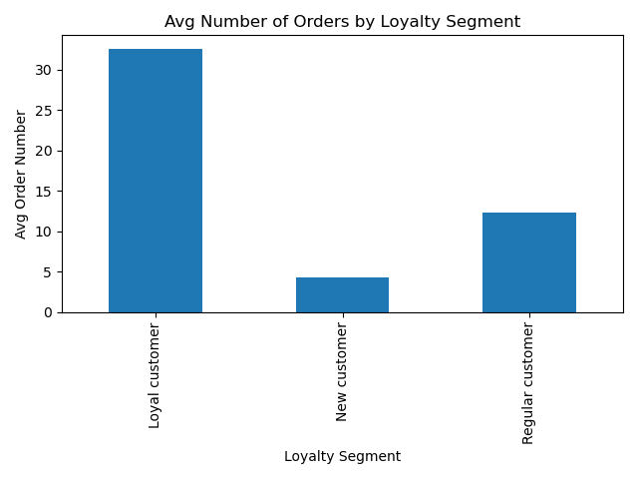 |  |  | The chart clearly shows that loyalty status significantly impacts ordering behaviour. On average, loyal customers placed over 30 orders, compared to just 12 for regular customers and fewer than 5 for new customers. This confirms a strong link between loyalty and purchasing frequency. Instacart could benefit from targeting new customers with onboarding and incentives to boost engagement, while regular customers might respond well to loyalty programs that encourage them to convert into highly active users.

Question: | Are there differences in ordering habits based on a customer’s region?

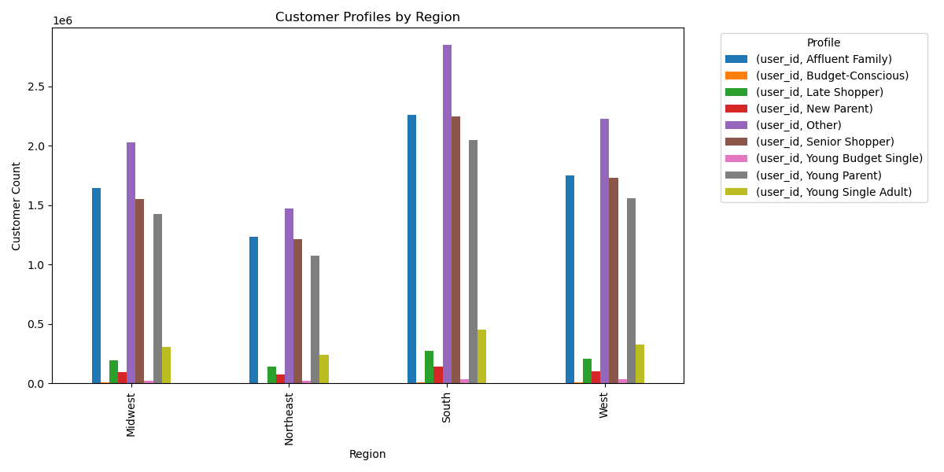

 |  |  | Analysis
 |  |  | The chart illustrates how customer profiles vary across U.S. regions. The South shows the highest concentration of “Young Parent” and “Affluent Family” profiles, suggesting strong household-based purchasing. The West and Midwest follow similar patterns, while the Northeast has the smallest volume of orders. These differences imply that customers in each region exhibit distinct purchasing behaviours, shaped by demographic and lifestyle factors. Instacart could use this insight to tailor marketing campaigns regionally, aligning product promotions with dominant customer types in each area.

Question: | Is there a connection between age and family status in terms of ordering
 | habits?

 |  |  | Analysis

 |  |  | Customer profiles cover age and family status. For example, “Young Parent” and “Young Single Adult” profiles represent similar age groups but show different ordering behaviours, likely influenced by family responsibilities. “Senior Shoppers,” who are older with no dependents, order less frequently and focus on essential categories. These patterns suggest that combining age and family status gives a more accurate view of customer needs and habits than using either factor alone. This insight can help Instacart tailor messaging and product recommendations more effectively.

Question | What different classifications does the demographic information suggest?
 | Age? Income? Certain types of goods? Family status?

 |  |  | Analysis

 |  |  | This scatterplot of customer age vs. income shows clear clusters that help define demographic profiles. For example, younger users tend to have lower incomes, while older users cluster at higher income levels. These patterns support the creation of customer segments such as Young Budget Singles, Affluent Families, and Senior Shoppers, which can guide personalised marketing.

Question: | What differences can you find in ordering habits of different customer
 | profiles? Consider the price of orders, the frequency of orders, the products
 | customers are ordering, and anything else you can think of.

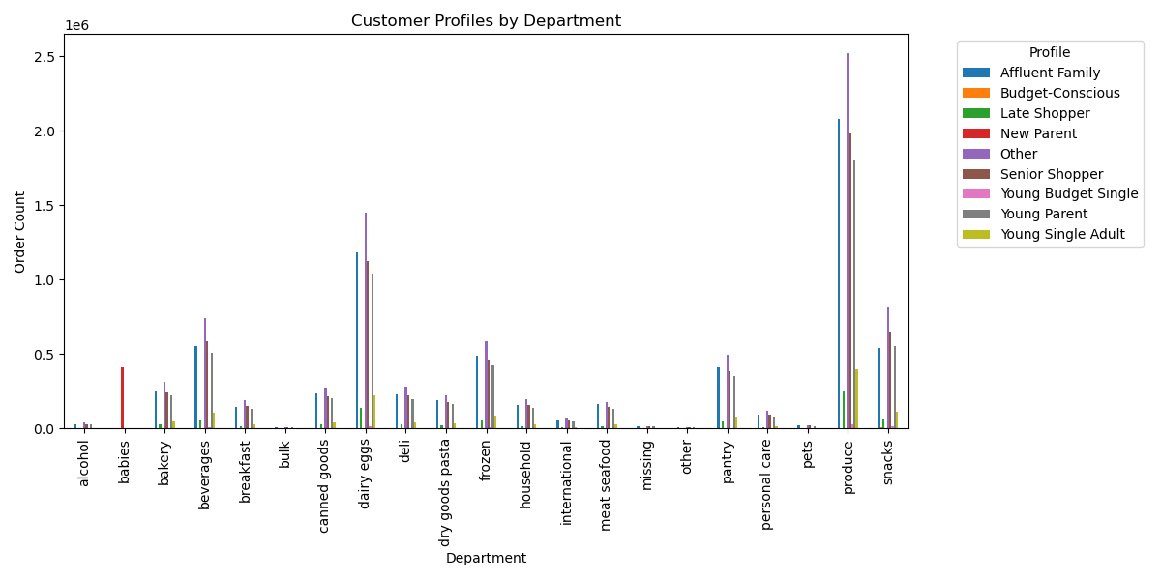

 |  | Analysis
 |  | This chart highlights clear product preferences across different customer profiles.

 |  | Affluent Families and New Parents place the most orders overall, especially in produce, dairy, and pantry departments — indicating a high-volume, family-oriented basket.
 |  | In contrast, Young Singles and Budget-Conscious shoppers place fewer orders, often concentrated in snacks, beverages, and frozen goods.
 |  | These differences suggest that lifestyle and household size heavily influence shopping habits. This insight can guide personalised promotions, for example: offering fresh produce deals to high-order family profiles, and value-based bundles to budget-sensitive customers

7. Recommendations
 |  | Title page

Recommendations

In this tab you should include any recommendations you would made to Instcart in terms of their marketing strategy based on the questions posed in the brief. Every key question has been covered in the Tasks of the Exercises - here you need to add an item - a visualisation or table/crosstable that is showing the answer in the data, acompanied by a comment from you. Please, list the questions below and add the answer underneath.

Question | Recommendations
What are the busiest days of the week and times of the day for orders? | Use this data to schedule marketing campaigns during quieter periods (e.g. early mornings or midweek), when ads are more likely to be noticed. Avoid peak hours like weekend afternoons for promotions, as customers are already active then.

When do customers spend the most money? | Advertise higher-priced or luxury items during the evening, when spending tends to increase. This aligns product promotion with periods of higher customer intent.

Can we simplify pricing by grouping products into price ranges? | Create simple price bands (e.g. low, medium, high) to help segment product offerings. This will make it easier to tailor promotions based on budget-conscious vs premium shopper segments.

Which departments have the most orders? | Focus advertising and product placement on the most popular departments, like produce, dairy eggs, and beverages, which have the highest order volume across all regions. Tailor promotions based on regional department trends

How does brand loyalty vary across users? | Loyal customers order much more frequently than others. Invest in loyalty programs or exclusive offers for regular customers to strengthen retention and long-term value

Do ordering habits differ by region? | Yes, customer types and preferences vary by region. For example, the South has more Young Parents and Budget-Conscious shoppers. Regional campaigns should reflect the dominant customer profile and top departments in each area.

What differences exist between customer profiles? | Use demographic-based customer profiles (e.g. Affluent Families, Senior Shoppers) to tailor product suggestions and messaging. For example, target bulk or household items to families, and quick meals or snacks to Young Singles.

